Sheet1
TABEL ALTERNATIF PEMILIHAN KAMPUS (UNIVERSITAS) METODE SAW |  |  |  |  |  |  |  |  |  | ASUMSI PERTANYAAN
 | KRITERIA |  |  |  |  |  |  |  |  | 1 | BOBOT KRITERIA
 | C1 | C2 | C3 | C4 |  |  |  |  |  |  |  | C1 = 20 %; C2 = 10%; C3 = 50%; C4 = 20%
ALTERNATIF | FLAT RATE PARK | BUSTRANS | MURAH | BAN PT |  |  |  |  |  | 2 | DATA COLLECTION |  |  |  | C1
PAMULANG | 70 | 20 | 40 | 10 |  |  |  |  |  |  | CRITERIA 1 | CRITERIA 2 |  | FASILITAS
BINUS | 10 | 20 | 10 | 30 |  |  |  |  |  |  | ALTERNATIF |  | KODE | FLAT RATE PARK | SCORE
GUNDAR | 10 | 20 | 40 | 30 |  |  |  |  |  | 165 | PAMULANG | FLAT RATE PARK | C1 | V | 70
TRISAKTI | 10 | 40 | 10 | 30 |  |  |  |  |  | 125 | BINUS | FLAT RATE PARK | C1 | X | 10
UPI | 10 | 20 | 10 | 10 |  |  |  |  |  | 75 | GUNDAR | FLAT RATE PARK | C1 | X | 10
MAX | 70 | 40 | 40 | 30 |  |  |  |  |  | 0 | TRISAKTI | FLAT RATE PARK | C1 | X | 10
MIN | 10 | 20 | 10 | 10 |  |  |  |  |  |  | UPI | FLAT RATE PARK | C1 | X | 10
 |  |  |  |  |  |  |  |  |  |  | PAMULANG | WIFI | C1 | V | 25
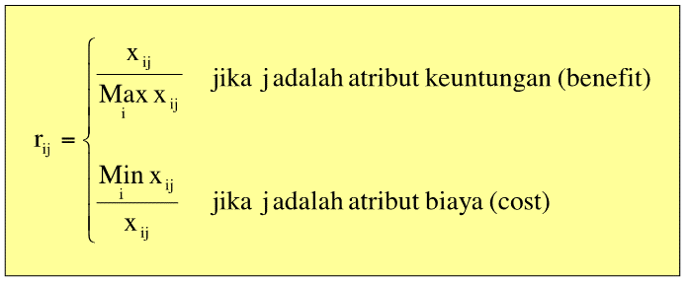
 |  |  |  |  |  |  |  |  |  |  | BINUS | WIFI | C1 | V | 25
rumus |  |  |  |  |  |  |  |  |  |  | GUNDAR | WIFI | C1 | V | 25
 |  |  |  |  |  |  |  |  |  |  | TRISAKTI | WIFI | C1 | V | 25
 |  |  |  |  |  |  |  |  |  |  | UPI | WIFI | C1 | V | 25
 |  |  |  |  |  |  |  |  |  |  | PAMULANG | BUSTRANS | C2 | X | 20
 |  |  |  |  |  |  |  |  |  |  | BINUS | BUSTRANS | C2 | X | 20
 |  |  |  |  |  |  |  |  |  |  | GUNDAR | BUSTRANS | C2 | X | 20
 |  |  |  |  |  |  |  |  |  |  | TRISAKTI | BUSTRANS | C2 | V | 40
 |  |  |  |  |  |  |  |  |  |  | UPI | BUSTRANS | C2 | X | 20
 |  |  |  |  |  |  |  |  |  |  | PAMULANG | MURAH | C3 | V | 40
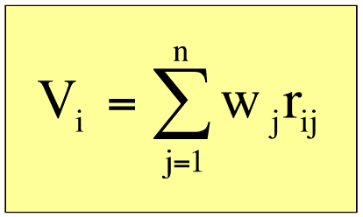
 |  |  |  |  |  |  |  |  |  |  | BINUS | MURAH | C3 | X | 10
 |  |  |  |  |  |  |  |  |  |  | GUNDAR | MURAH | C3 | V | 40
 |  |  |  |  |  |  |  |  |  |  | TRISAKTI | MURAH | C3 | X | 10
 |  |  |  |  |  |  |  |  |  |  | UPI | MURAH | C3 | X | 10
 |  |  |  |  |  |  |  |  |  |  | PAMULANG | BAN PT | C4 | C | 10
 |  |  |  |  |  |  |  |  |  |  | BINUS | BAN PT | C4 | B | 30
 |  |  |  |  |  |  |  |  |  |  | GUNDAR | BAN PT | C4 | B | 30
 |  |  |  |  |  |  |  |  |  |  | TRISAKTI | BAN PT | C4 | B | 30
 |  |  |  |  |  |  |  |  |  |  | UPI | BAN PT | C4 | C | 10

r = x / MAX x | BENEFIT
NORMALISASI |  |  |  |  |  |  |  |  |  |  | MENCARI NILAI V SBB
r 1.1 = | 70/70 | = | 1.0000000 |  |  |  |  |  |  |  | BOBOT
r 2.1 = | 10/70 | = | 0.1428571 |  |  |  |  |  |  |  | C1 | 20%
r 3.1 = | 10/70 | = | 0.1428571 |  | MATRIKS |  |  |  |  |  | C2 | 10%
r 4.1 = | 10/70 | = | 0.1428571 |  |  |  |  |  |  |  | C3 | 50%
r 5.1 = | 10/70 | = | 0.1428571 |  |  | 1.000 | 0.500 | 1.000 | 0.333 |  | C4 | 20%
 |  |  |  |  |  | 0.143 | 0.500 | 0.250 | 1.000 |  | TOTAL | 100%
r 1.2 = | 20/40 | = | 0.5000000 |  | R = | 0.143 | 0.500 | 1.000 | 1.000
r 2.2 = | 20/40 | = | 0.5000000 |  |  | 0.143 | 1.000 | 0.250 | 1.000
r 3.2 = | 20/40 | = | 0.5000000 |  |  | 0.143 | 0.500 | 0.250 | 0.333
r 4.2 = | 40/40 | = | 1.0000000 |  |  |  |  |  |  |  | NILAI V setelah dikali dengan Bobot sbb : |  |  |  |  |  | HASIL OUTPUT SBB
r 5.2 = | 20/40 | = | 0.5000000 |  |  |  |  |  |  |  | v.1 = | (1)0.2+(0.5)0.1+(1)0.5+(0.3333)0.2 |  |  |  | = | 0.8167 | PAMULANG
 |  |  |  |  |  |  |  |  |  |  | v.2 = | (0.142857142857143)0.2+(0.5)0.1+(0.25)0.5+(1)0.2 |  |  |  | = | 0.4036 | BINUS
r 1.3 = | 40/40 | = | 1.0000000 |  |  |  |  |  |  |  | v.3 = | (0.142857142857143)0.2+(0.5)0.1+(1)0.5+(1)0.2 |  |  |  | = | 0.7786 | GUNDAR
r 2.3 = | 10/40 | = | 0.2500000 |  |  |  |  |  |  |  | v.4 = | (0.142857142857143)0.2+(1)0.1+(0.25)0.5+(1)0.2 |  |  |  | = | 0.4536 | TRISAKTI
r 3.3 = | 40/40 | = | 1.0000000 |  |  |  |  |  |  |  | v.5 = | (0.142857142857143)0.2+(0.5)0.1+(0.25)0.5+(0.3333)0.2 |  |  |  | = | 0.2702 | UPI
r 4.3 = | 10/40 | = | 0.2500000
r 5.3 = | 10/40 | = | 0.2500000

r 1.4 = | 10/30 | = | 0.3333000
r 2.4 = | 30/30 | = | 1.0000000
r 3.4 = | 30/30 | = | 1.0000000
r 4.4 = | 30/30 | = | 1.0000000
r 5.4 = | 10/30 | = | 0.3333000

